Sheet1
Full-Name | Team's-Name | Number | Gender | Profile Image
Opeyemi Tolulope | Knight FC | 9049164098 | Male | 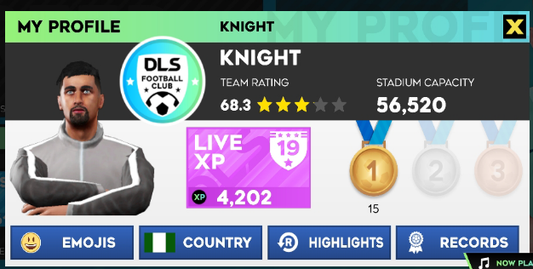
Martins Ajofe | MANCITY | 8129773070 | Male | 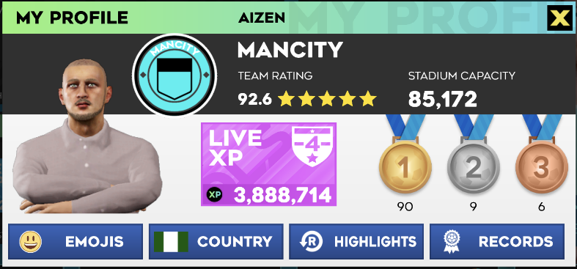
Har Dey Wale | Adewale fc | 9033259952 | Male | 